PLA ROI CALCULATOR
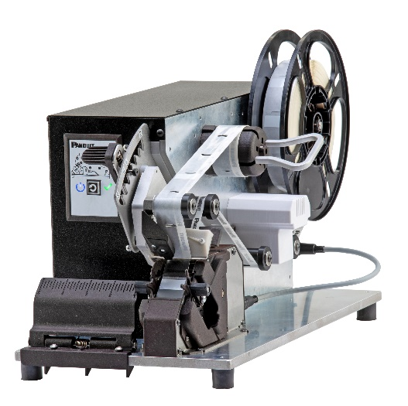

How to use this spreadsheet to calculate PLA payback:
All shaded boxes can be manipulated to reflect your business
---------------------------------------------------------------------------------
Values listed in cells C21 and D21 reflect current Panduit resale list price per 1,000 labels
Cell C21 is the price for 1" x 1.50" label installed via PLA
Cell D21 is the price for 1" x 1.50" standard vinyl label
Cell C22 is the estimated number of labels used annually and should include all 1" x 1.25" and 1" x 2.25" labels in addition to the 1" x 1.50".
Fully burdened labor rate is located in cell C24 and is set to North America average
Number of tools required is located in cell C26. This number can fluctuate depending on work environment and dynamics
--------------------------------------------------------------------------------
Labor hours saved shown in cell C34
Payback duration shown in cell C36
Annual savings shown in cell C37

WrapIDTM PLA LABEL APPLICATOR

R.O.I. PAYBACK CALCULATOR

Company Name:
Salesman:
Date: | 2021-01-06
OPPORTUNITY INPUTS
 |  | PLA APPLICATOR | MANUAL INSTALLATION
LABEL MEDIA TYPE |  | S100X150VAA | S100X150VATY
RESALE PRICE OF LABELS PER 1K |  | $71.56 | $55.04
NUMBER OF LABELS/YR. |  | 125,000 | 125,000

3. FULLY BURDENED LABOR RATE ($/hr.) |  | $33.00 | $33.00
4. AVERAGE INSTALLATION RATE (LABELS/MIN) |  | 15 | 6
5. NUMBER OF TOOLS |  | 1 | N/A
6. SELLING PRICE ($/TOOL) |  | $4,500 | N/A
YR 1 TOTALS
MATERIAL COST |  | $8,945 | $6,880
LABOR COST |  | $4,583 | $11,458
TOOL COST |  | $4,500 | N/A
TOTAL COST |  | $18,028 | $18,338
SAVINGS |  | $310 | ($310)
LABOR HOURS SAVED |  | 208

PAYBACK TIME (MONTHS) |  | 11.2
ANNUAL SAVINGS |  | $4,810
THE INFORMATION PROVIDED ABOVE IS INTENDED AS AN ANALYSIS ONLY AND IS NOT TO BE CONSTRUED AS A QUOTATION OR COMMITMENT BY PANDUIT. GENERAL ASSUMPTIONS ARE MADE ON THE NUMBER OF TOOLS REQUIRED BASED ON ANNUAL USAGE OF COMPONENTS USED AND GENERAL ACCOUNTING PRACTICES. PLEASE CONTACT YOUR LOCAL PANDUIT SALES OFFICE FOR ADDITIONAL INFORMATION.

PANDUIT RESERVES THE RIGHT TO UPDATE AND/OR MODIFY THIS TOOL AT ANY TIME. THIS TOOL MUST REMAIN IN THE POSSESSION OF PANDUIT SALES EMPLOYEES OR SALES REPRESENTATIVES AT ALL TIMES.
Tool Rev1.0. Valid through Sept 30, 2016.
PANDUIT CONFIDENTIAL AND PROPRIETARY

