Order Form
 | Safety Padlock Photo Order Item PSL-8 | Long Body Safety Padlock Photo Long Body Safety Padlock Photo Bilingual Order Item PSL-8-LB Order Item PSL-8-LB
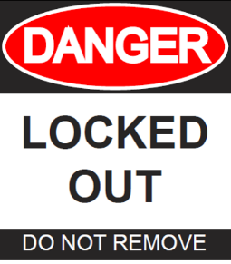


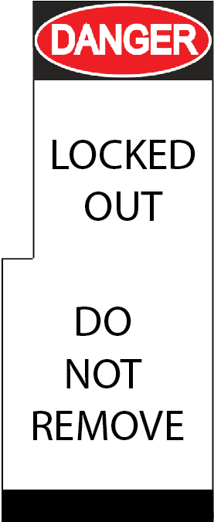

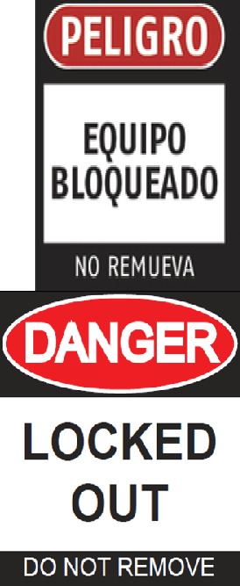
GA2-0204 Photo ID Order Form

16-Oct-14

 | Safety Padlock Logo Order Item PSL-8

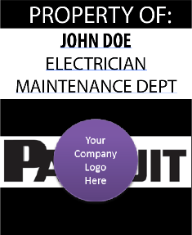

Employee Name | Template Style | Company | Title | Department | Picture Filename | Company Logo Filename | Second Language

