SS Comparison
Chemical Composition Per ASTM A240
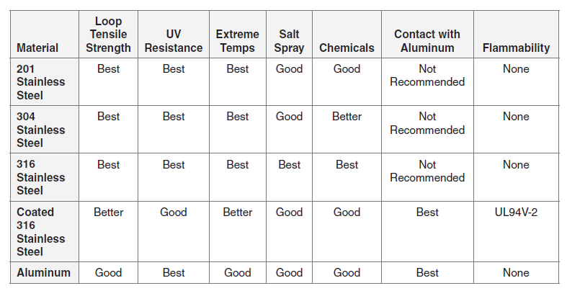
Element | Symbol | 301 | 302 | 304 | 316 | 316L | 321
Carbon | C | 0.015 | 0.02 | 0.07 | 0.08 | 0.03 | 0.08
Chromium | Cr | 16.0-18.0 | 17.0-19.0 | 17.5-19.5 | 16.0-18.0 | 16.0-18.0 | 17.0-19.0
Nickel | Ni | 6.0-8.0 | 8.0-10.0 | 8.0-10.5 | 10.0-14.0 | 10.0-14.0 | 9.0-12.0
Manganese | Mn | 2.00 | 2.00 | 2.00 | 2.00 | 2.00 | 2.00
Silicon | Si | 1.00 | 0.75 | 0.75 | 0.75 | 0.75 | 0.75
Nitrogen | Ni | 0.10 | 0.10 | 0.10 | 0.10 | 0.10 | 0.10
Phosphorus | P | 0.045 | 0.045 | 0.045 | 0.045 | 0.045 | 0.045
Sulfur | Si | 0.030 | 0.030 | 0.030 | 0.030 | 0.030 | 0.030
Molybdenum | Mo |  |  | - | 2.00-3.00 | 2.00-3.00 | -
Titanium | Ti |  |  | - | - | - | 5(C+N) min / 0.70 max

Differences between 304 and 316/L
316/316L contains 2-3% molybdenum, which enhances corrosion resistance.
Additionally, 316L contains less Carbon than 316 for additional corrosion resistance in certain applications.

*Max, unless range specified

